1. Title Page
Grocery Basket Analysis

Project Name: Instacart Grocery Basket Analysis
Date: 07/31/2023
Analyst Name: Mentay Koshzhanova

Contents:
Population Flow
Consistency checks
Wrangling steps
Column derivations
Visualizations
Recommendations

Data Citation: “The Instacart Online Grocery Shopping Dataset 2017”, Accessed from www.instacart.com/datasets/grocery-shopping-2017 via Kaggle on 07/30/2023.
'Customer' data and 'prices' column in the products data set were both fabricated for the purpose of this project.

3. Consistency checks
 |  |  |  |  | Title page
Consistency checks

Dataset | Mixed-Type Data | Missing values | Missing values treatment | Duplicates
orders |  | 206209 rows of days_since_prior_order | Rows were left as it is due to hypothesis that these all new customers and there is no history to show as previous orders
products |  | 16 rows of product name | missing values were removed, because they were strings | 5 rows of duplicates were dropped
customers | First Name column has mixed-type data, which were changed to string

2. Population Flow
 |  |  |  |  |  |  | Title page |  | Legend:

Population flow |  |  |  |  |  |  |  |  |  | First row - Original data

•Total: 3,421,083 |  | •Total: 32,434,489 |  | •Total: 49,693 |  | •Total: 206,209 |  |  |  | Second row (boxes coloured) - Data after manipulation
Orders -
Original Data
Orders Products Prior -
Original Data
Products -
Original Data
Customers -
Original Data

 |  |  |  |  |  |  |  |  |  | Third row (arrows coloured) - data after merges

 |  |  |  |  |  |  |  |  |  | Final data set
 | •Total: 3,421,083 |  | •Total: 32,434,489 |  | •Total: 49,672 |  | •Total: 206,209
Orders-
after consistency checks
Orders Products Prior -
after consistency checks
Products-
after consistency checks
Customers -
after consistency checks

Orders and Products combined
Orders and Products merged
 |  | •Total: 32,434,489 |  |  | •Total: 32,434,212
 |  |  |  |  |  |  |  | •Total: 32,434,212
Orders and Products all

Exclusion flag
Condition: max_order < 5
Obervations to be removed: 7,997,421
Final total count of order_products_all: 24,436,791

4. Wrangling steps
 |  |  |  | Title page
Wrangling steps

Columns dropped | Columns renamed | Columns' type changed | Comment/Reason
eval_set |  |  | not needed for anaylsis
 | order_dow to order_day_of_the_week |  | dow is hard to understand what it stands for
 |  | order_id | don't represent real numeric values
 |  | user_id | don't represent real numeric values
 | Surnam to Last_name | First_name | Changed column names to match each other
 | STATE to State |  | Changed column names to match each other
 | n_dependants to Number_of_dependants |  | Changed column names to match each other
 | fam_status to Marriage_status |  | Changed column names to match each other
First_name |  |  | PII data
Last_name |  |  | PII data
Gender |  |  | not needed for anaylsis
aisle_id |  |  | not needed for anaylsis
Busiest day |  |  | was changed to busiest days, no longer needed

5. Column derivations
 |  |  |  | Title page

Column derivations and aggregations

Dataset | New column | Column/s it was derived from | Conditions
ords_prods_merge | loyalty_flag | order_number | customers with 40 or more - loyal, less than 40 - regular, 10 or more - new customers
 | spending_habit | prices | low or high spender by average prices: if less than 10 low spender, if more than high spender.
 | order_frequency | days_since_prior_order | If the median is higher than 20, then the customer should be labeled a “Non-frequent customer.” If the median is higher than 10 and lower than or equal to 20, then the customer should be labeled a “Regular customer.” If the median is lower than or equal to 10, then the customer should be labeled a “Frequent customer.”
ords_prods_customers_merged | exclusion_flag | order_number | exclusion flag was created to drop low-active customers whose order less than 5. Customers with 5 or more were flagged as regular customers.
df_insta | Income_profile | income | income flag was created in conditions of income: low income - 20-44,999k, middle - 45-69999k, high - 70-149999k, very high - 150k+
 | Age_profile | age | customers were grioued by age as follows: 18-30 - young adult, 30-60 middle aged, 61+ older aged
 | Dependants_profile | Number_of_dependants | Customers were grouped in 2 groups: has dependants or has no dependants, based on number of dependamts column (0 or more)
df_merged | Customer_profile | Age_profile, Dependants_profile | Customer profile was created for 2 groups, customers with dependants and with no dependants as bigger groups, and subgroup based on age group, Young parent, Middle-aged parent, Older-aged parent, Young with no dependants, Middle-aged with no dependants, Older-aged with no dependants.
df_ords_prods_merge | Busiest_days | order_day_of_week | Column was created for busiest and slowest days based on order numbers of the day, Saturday and Sunday are the busiest, Tuesday and Wednesday are slowest.
 | price_range_loc | prices | products were grouped to 3 groups based on its price: low-range less than $5, mid range $5 or up to $15 and more than $15 is high range

6. Visualizations
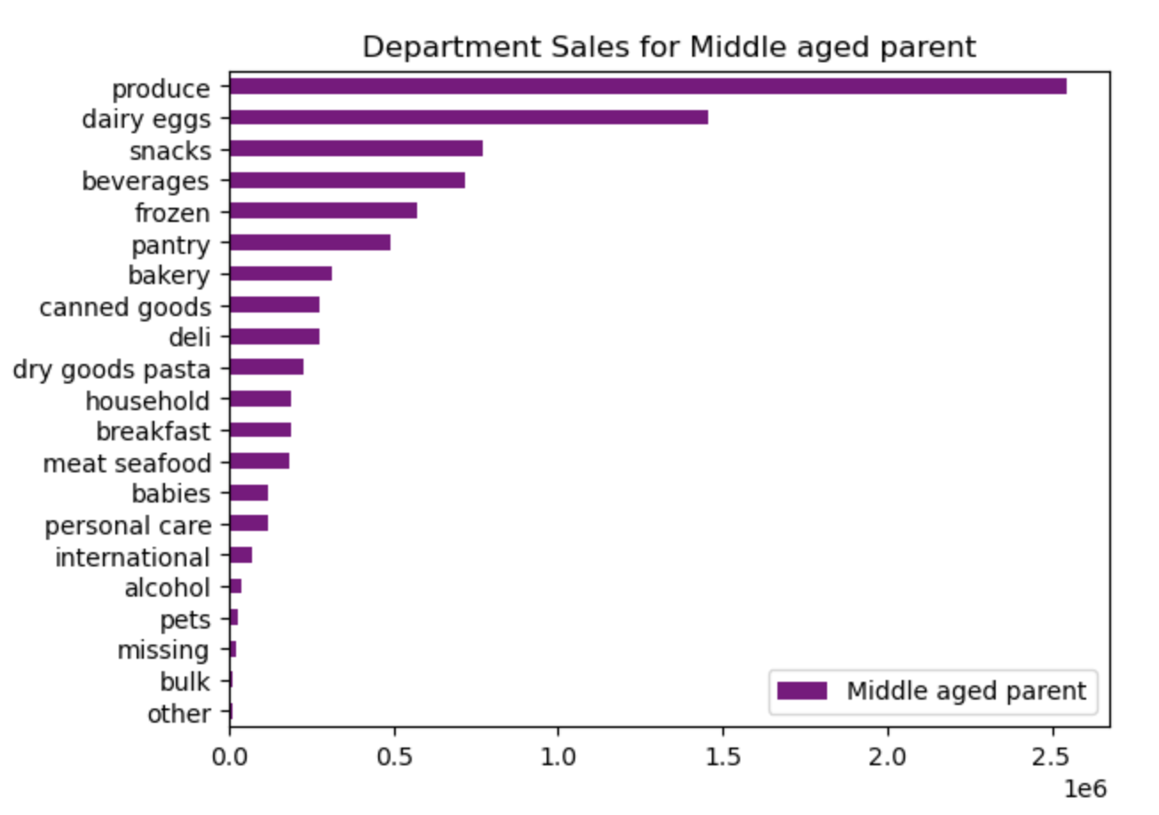
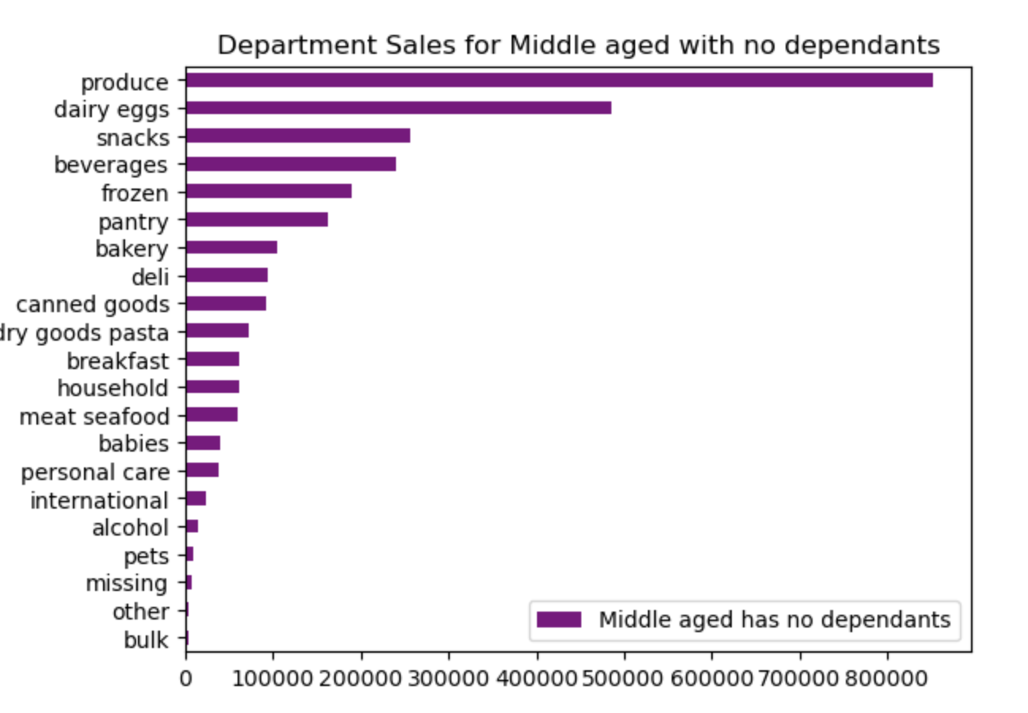
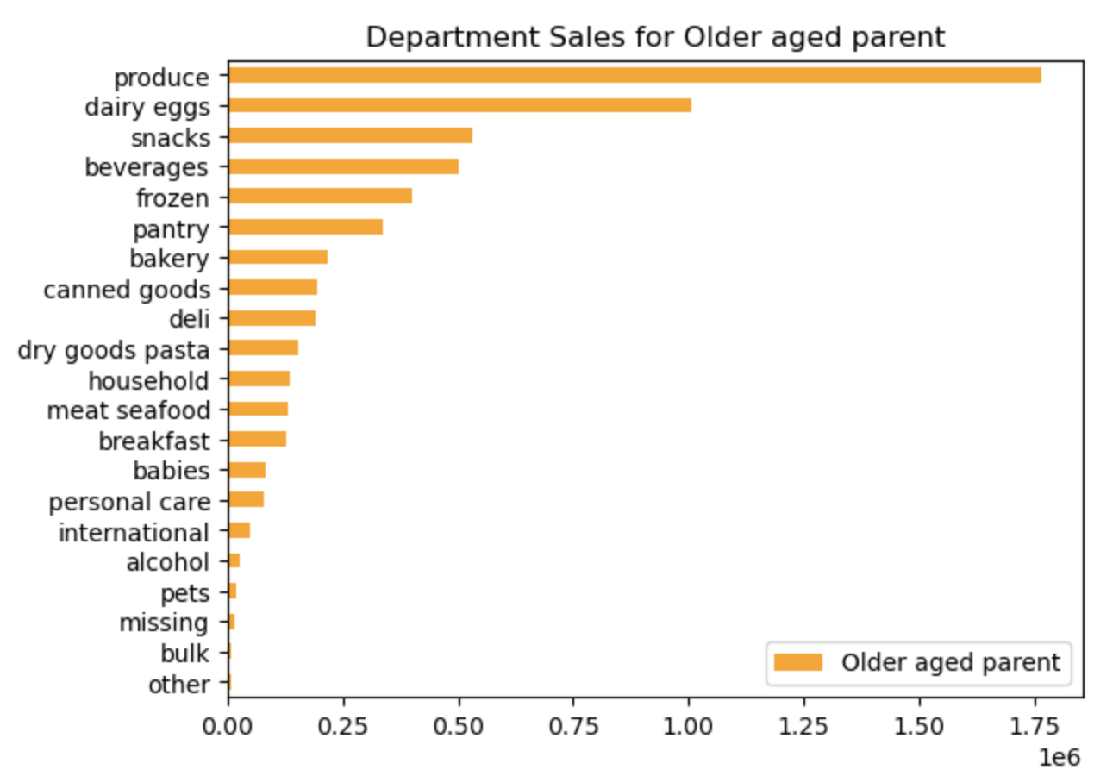
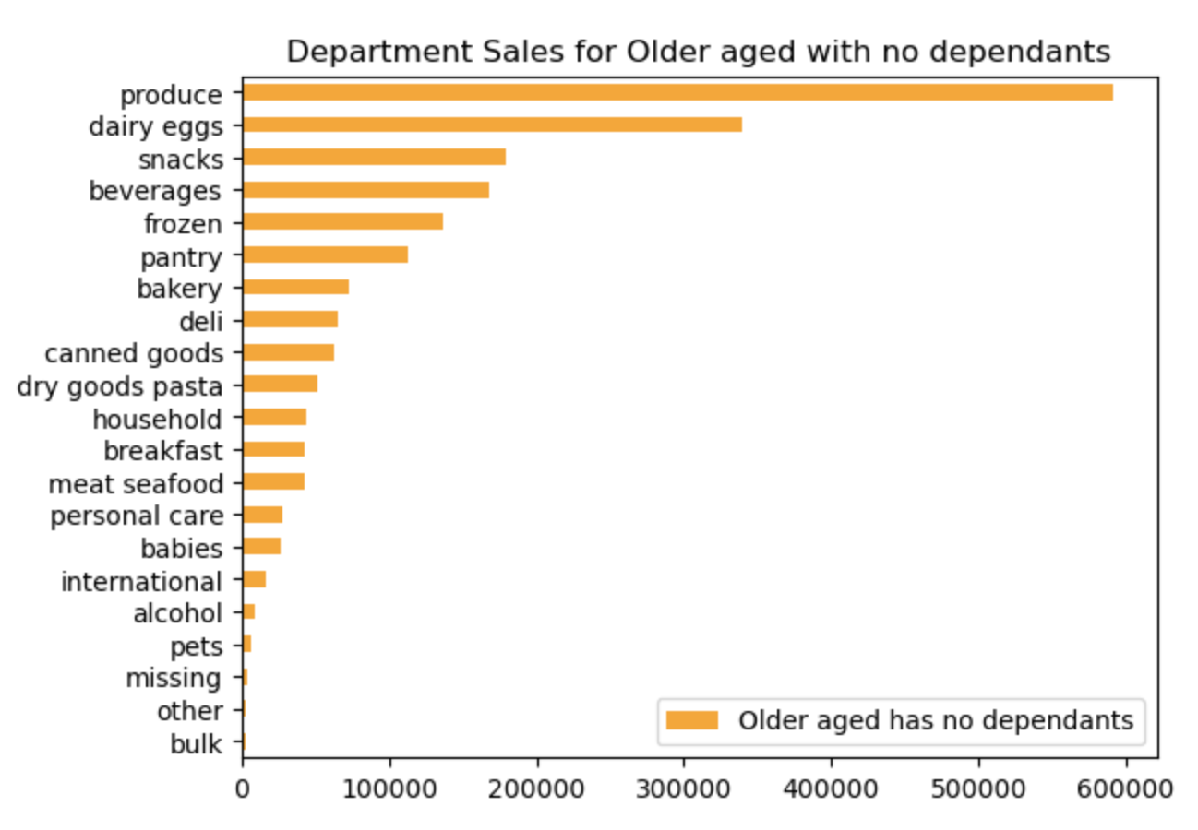
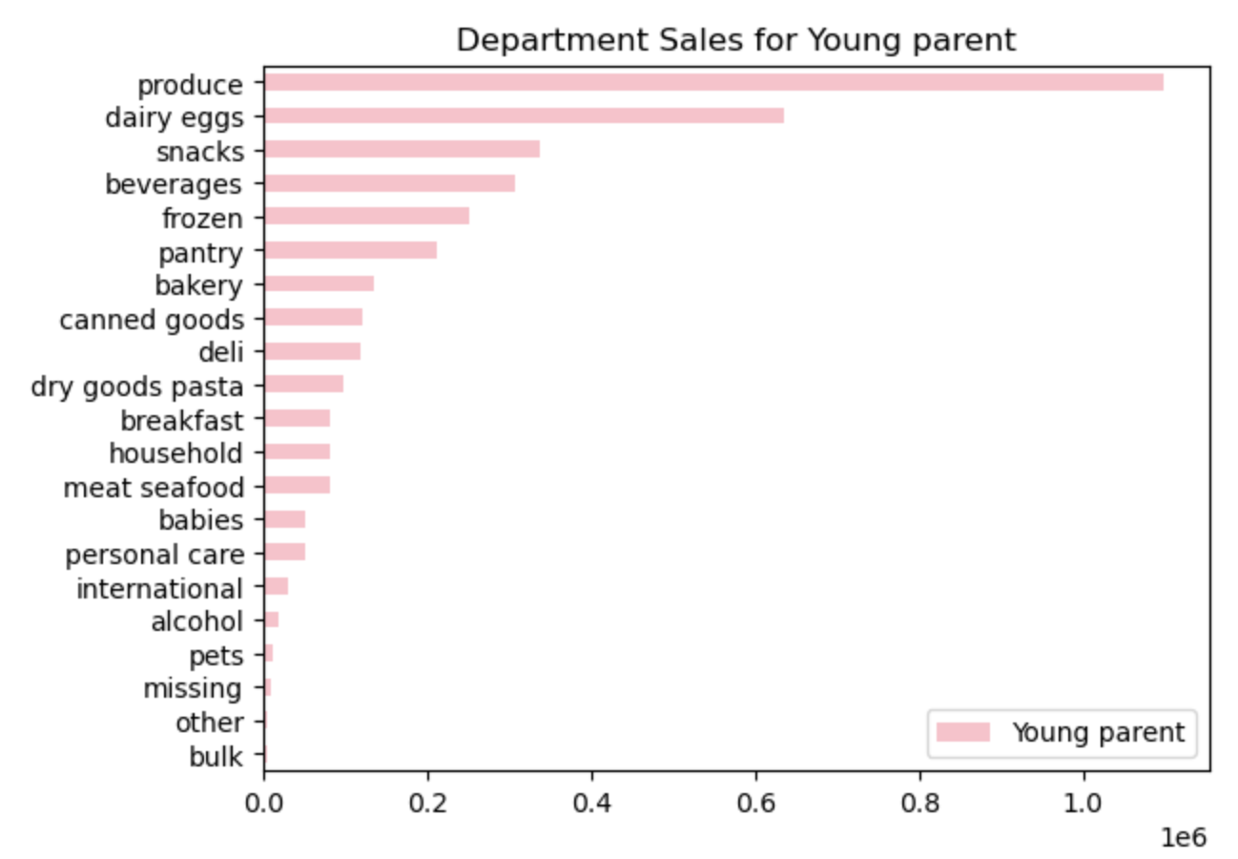
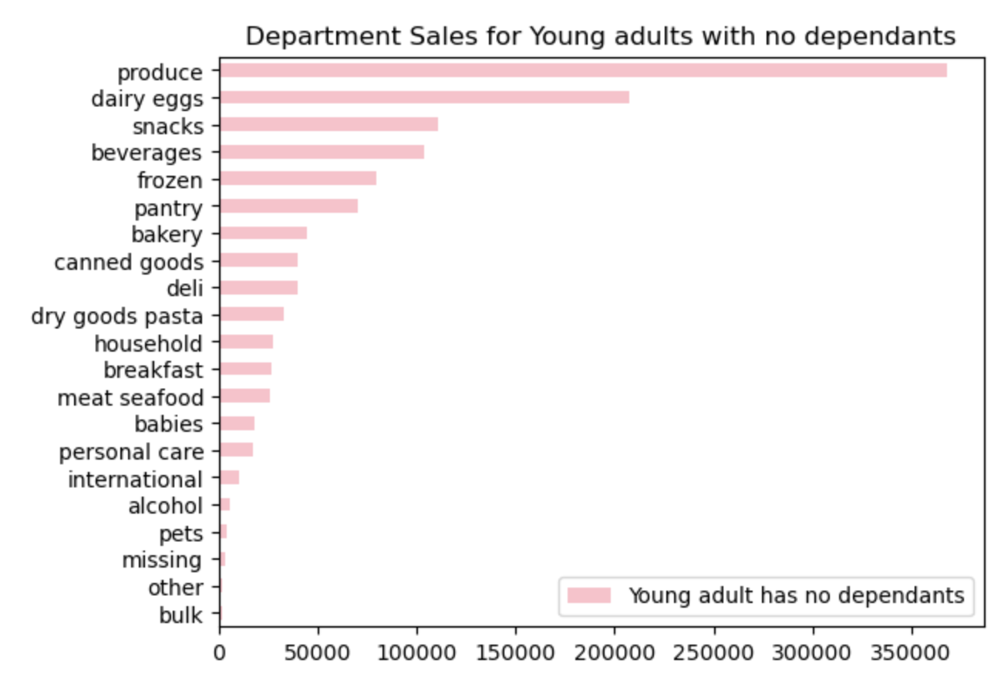
 |  |  | Title Page

Visualizations for Sales Team:

Question: | Answer: | Chart:
 |  | The busiest days: |  | The busiest hours:
Key Question 1: The sales team needs to know what the busiest days of the week and hours of the day are (i.e., the days and times with the most orders) in order to schedule ads at times when there are fewer orders | 1. The busiest days are Saturday (0) and Sunday (1) and busiest time of the day is in the morning before 10 and around 1-3 pm. |  |  | 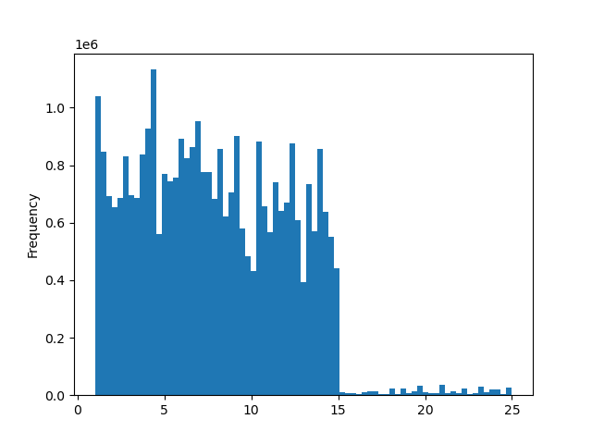

 |  | Prices difference according to order time
Key Question2: Sales team also want to know whether there are particular times of the day when people spend the most money, as this might inform the type of products they advertise at these times. | 2. Products with higher prices are sold in the morning, mostly before 10am. At 10 am there is lower prices products sold. Higher prices peaks up againn afternoon, and towards evening. | 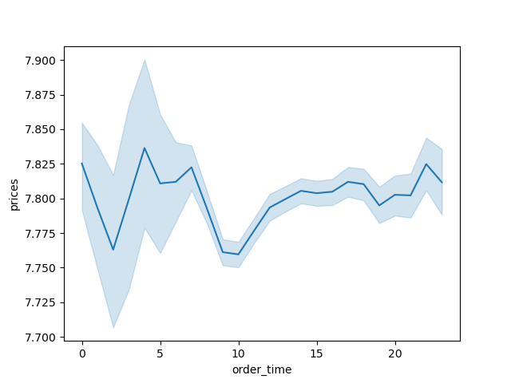

 |  | Prices range
Key Question 3: Instacart has a lot of products with different price tags. Marketing and sales want to use simpler price range groupings to help direct their efforts. | 3. Products in Instacart are grouped by 3 prices range in the pie: low-range product if less than $5, mid range product if $5 or up to $15 and if price is more than $15 is high range product. As pie shows 67.5% of InstaCart products are mid-ranged and 1.3% is considered as high-ranged, which makes them affordable. | 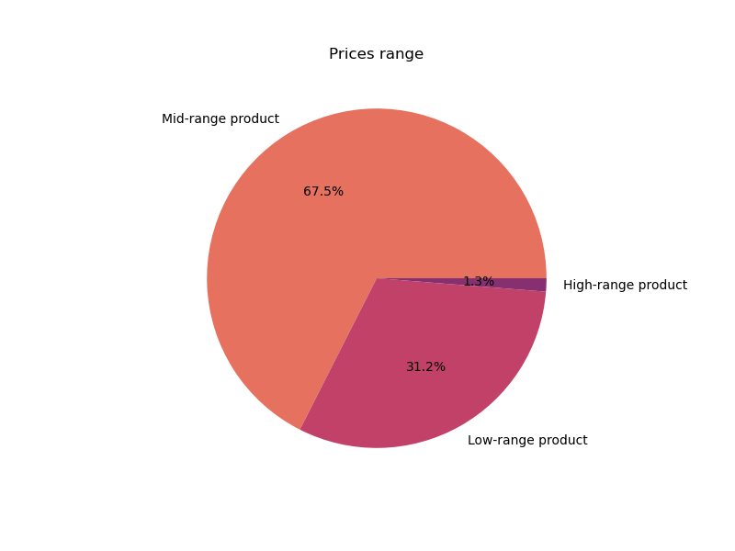

 |  | Total sales by department
Key Question 4: Are there certain types of products that are more popular than others? The marketing and sales teams want to know which departments have the highest frequency of product orders. | 4. The produce department is the highest frequently ordered department, followed by dairy. | 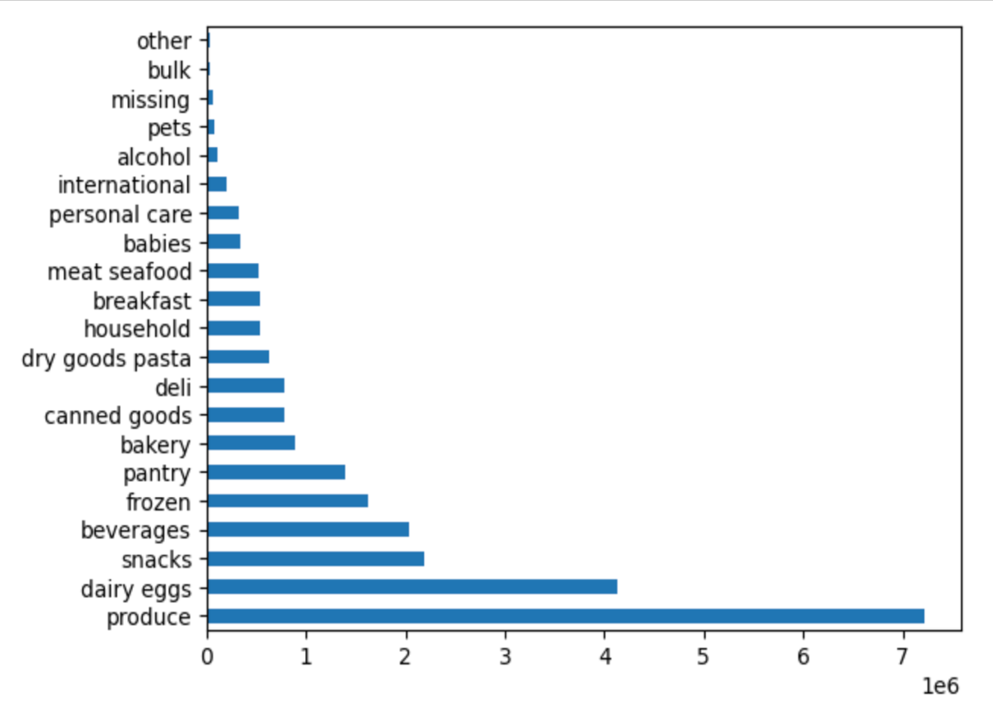

Visualization for Marketing and Sales Teams: |  | InstaCart Customers by Loyalty

Key Question 5: What’s the distribution among users in regards to their brand loyalty (i.e., how often do they return to Instacart)? | 5. 39% of customers are those who has ordered 40 times or more - loyal customers, 52% are those who regularly order with Instacart and 8.7% are new customers. | 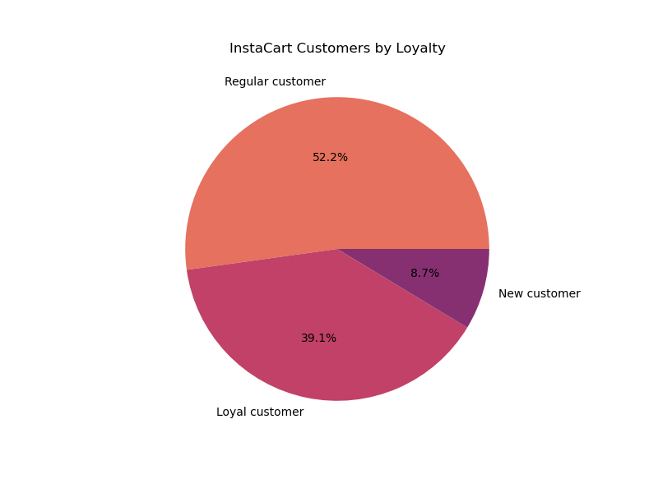

Key Question 6: Are there differences in ordering habits based on a customer’s loyalty status? | 6. Almost 9% of loyal customers use InstaCart frequently (40 orders). 51% of Loyal customers are non-frequent users, and 41% use InstaCart regularly. For new and regular customers order frequency is very low. | 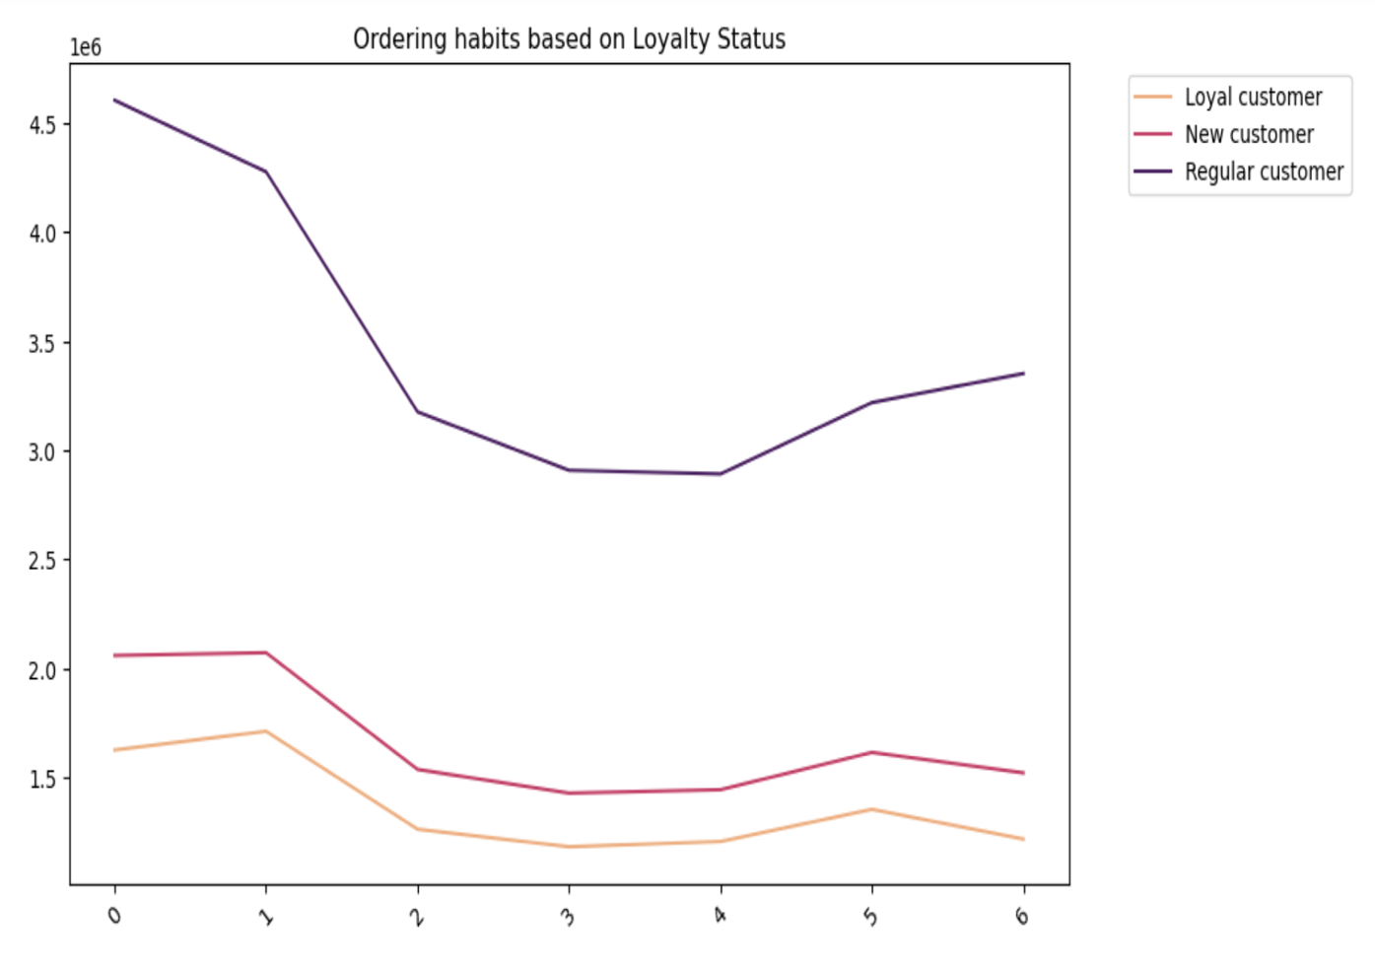 |  | 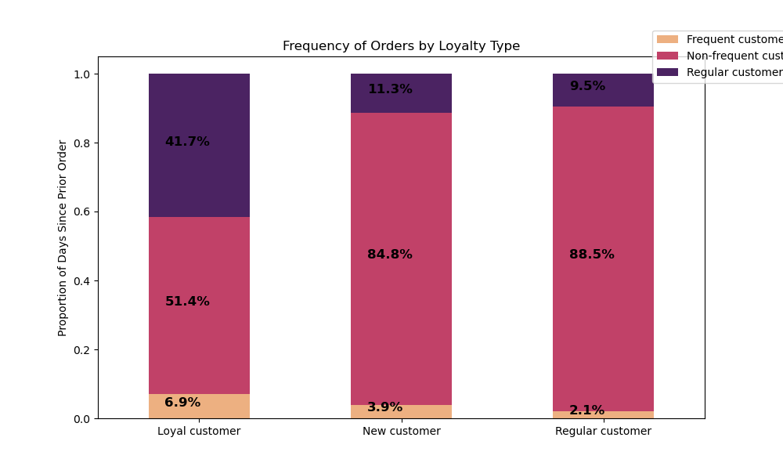

Key Question 7: Are there differences in ordering habits based on a customer’s region? | 7. The pie shows distribution of customers by region. The majority of customers in South( 33%), and the least in NE (17.7%). However, ordering habits of customers in all region seems to be the same, with slight 1% difference only. We can see in two bar charts the ordering habit by regions and by departments. Orders by department shows the same habit for customers. | 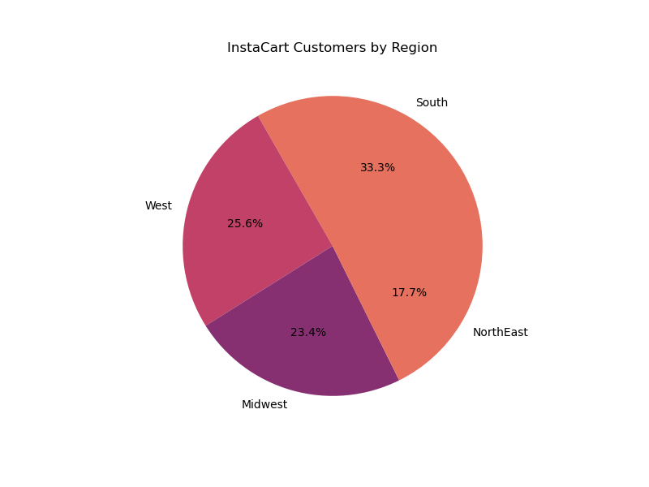 |  | 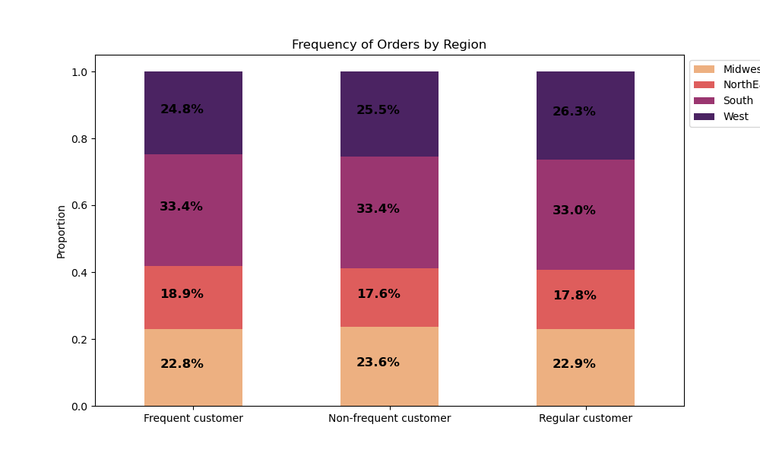 |  |  |  |  | 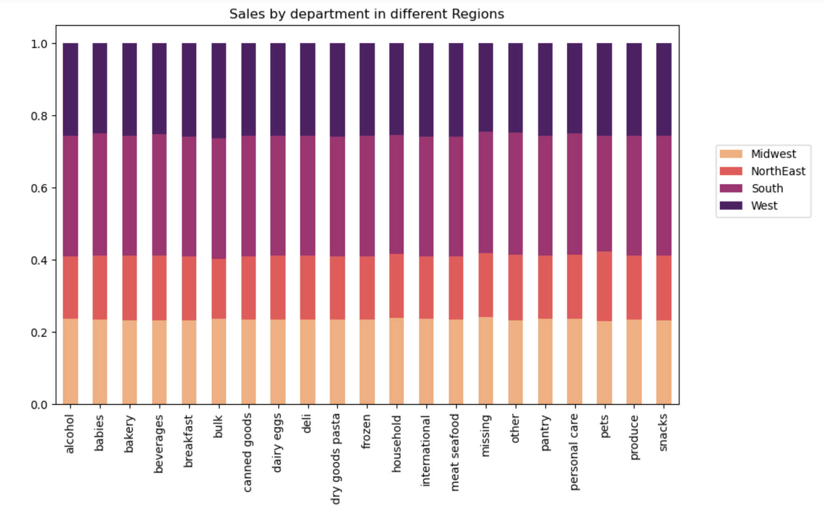

Key Question 8: Is there a connection between age and family status in terms of ordering habits? | 8. Let's distribute proportion of customers based on age profile and marital status. 47% of customers are middle aged and 70% of them are married. 32.6% of customers are older aged, and only 20% of customers are young adults. Reason could be that they could be living woth parents, so they don't do grocery shopping much. Customers tend to show same behavior when it comes to sales by department, although from 2nd bar chart we can see InstaCart's most customers are married people, followed by single people. | 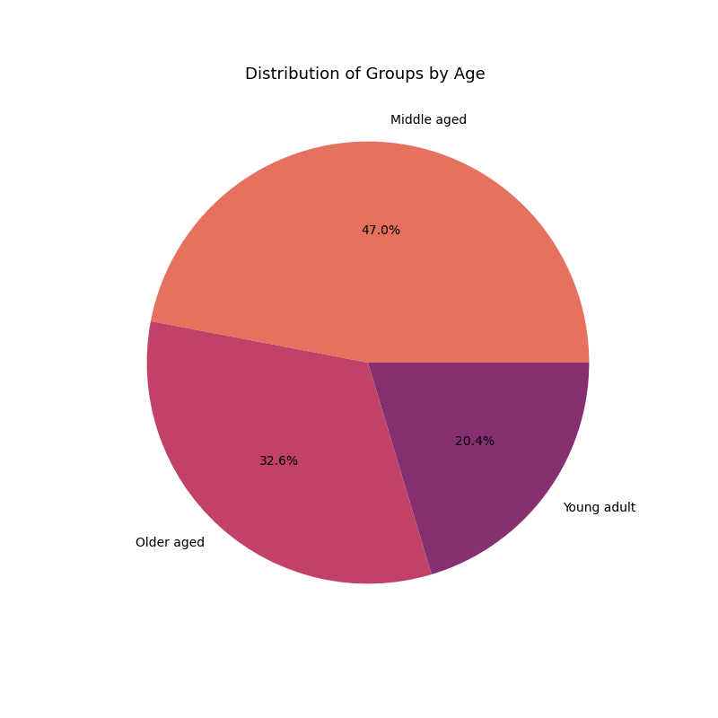 | 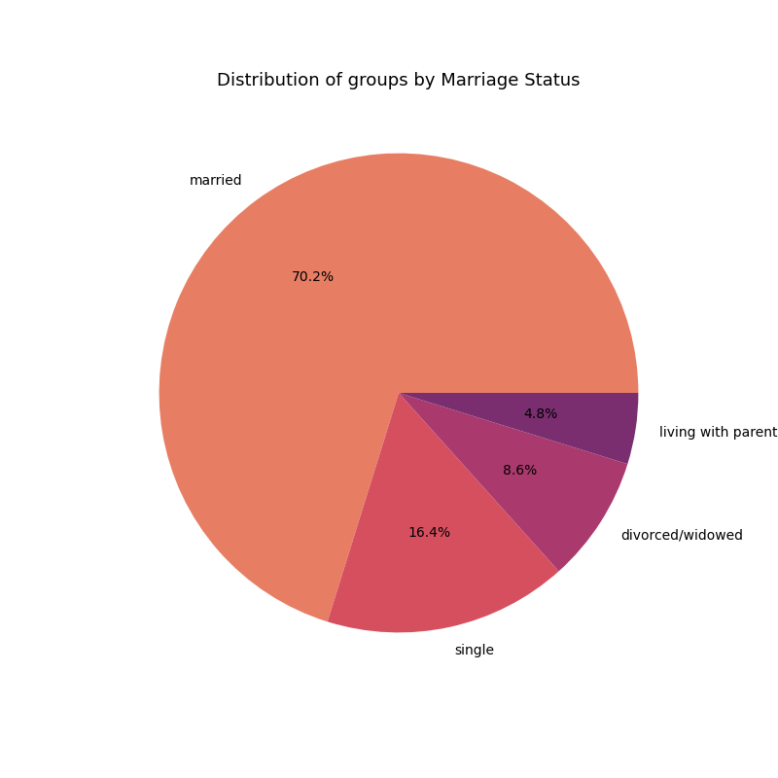 |  |  | 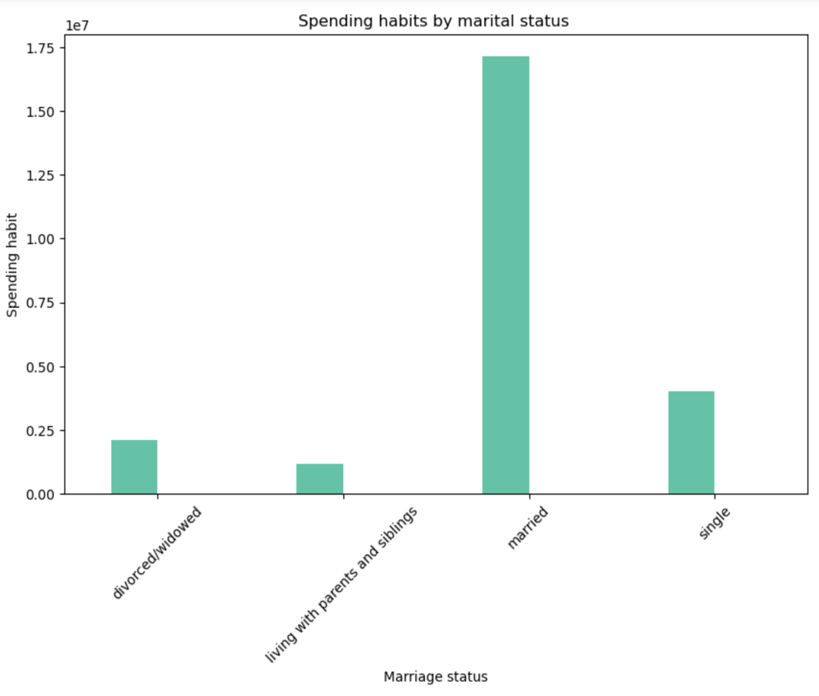
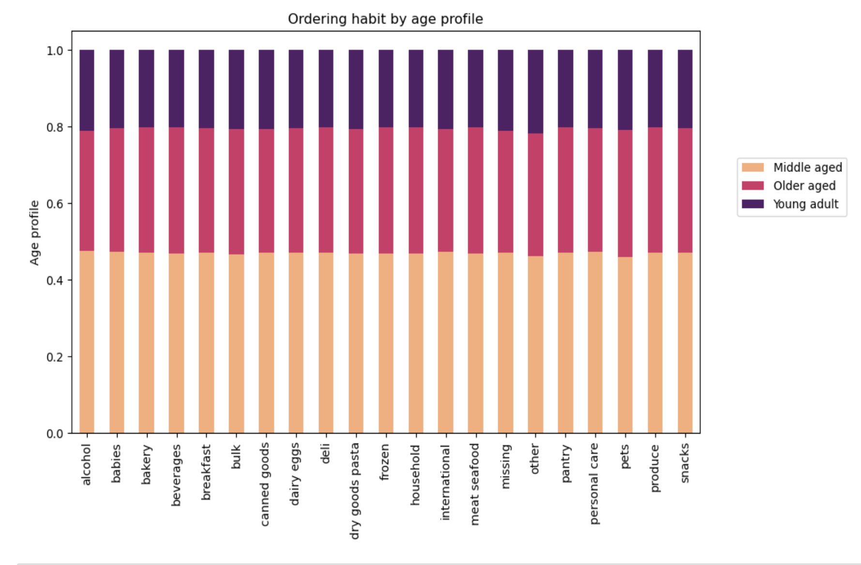
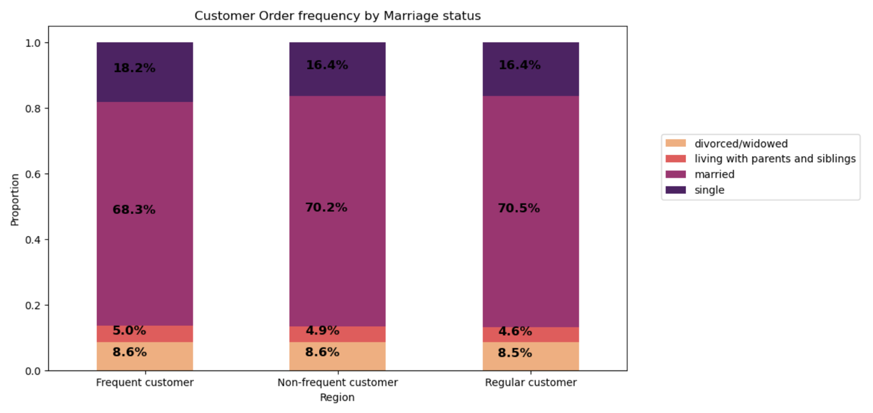

Key Question 9: What different classifications does the demographic information suggest? Age? Income? Certain types of goods? Family status? | 9. The customer profile distribution is 35% of customers are middle aged parent and 5% are young adult with no dependants. 60% of customers make high income and 8% is on low income. Customers order the same products despite their income, age and family status. | 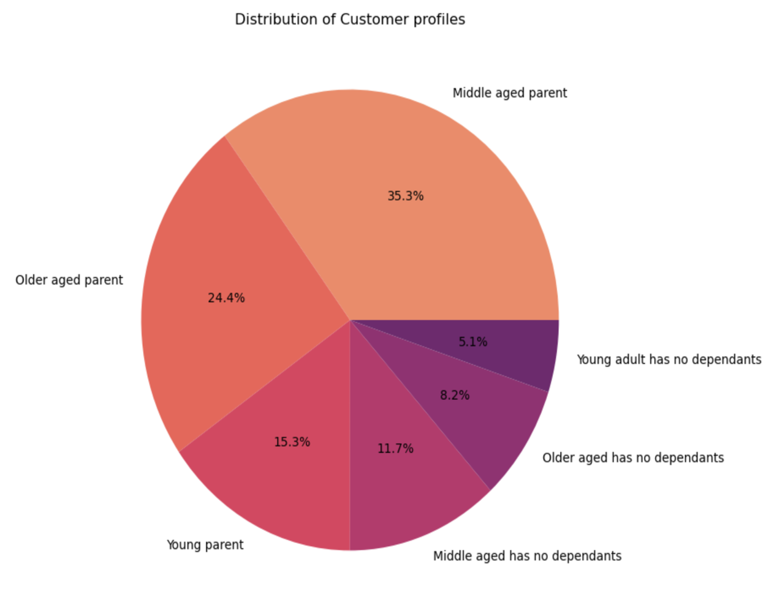 |  | 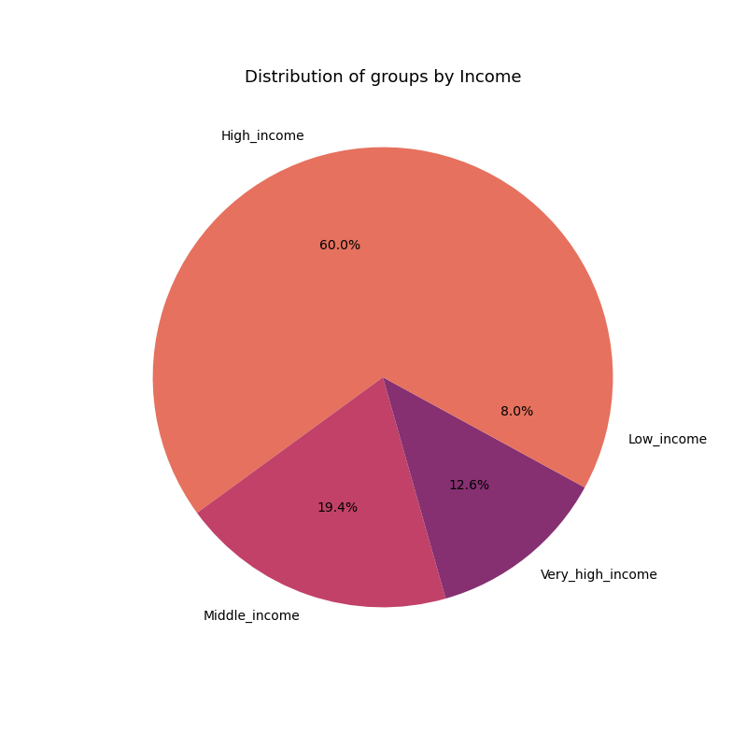 |  |  | 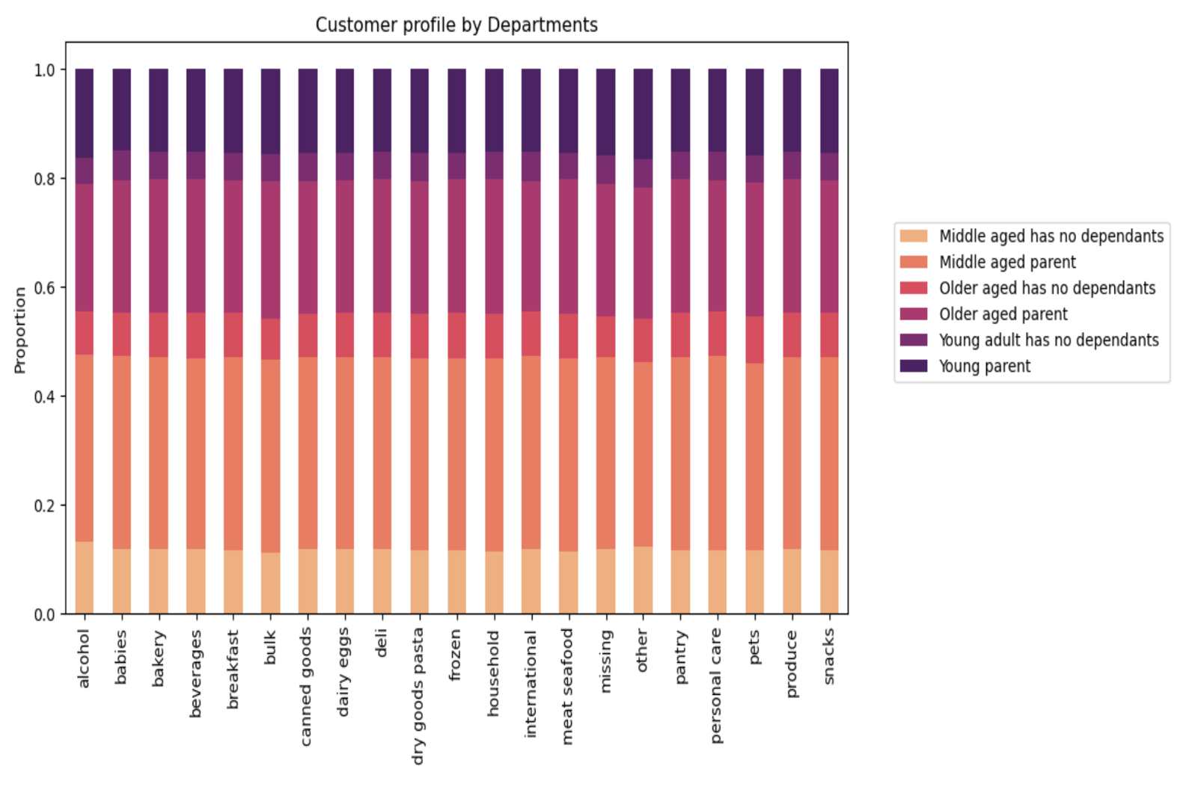

Key Question 10: What differences can you find in ordering habits of different customer profiles? Consider the price of orders, the frequency of orders, the products customers are ordering, and anything else you can think of. | The majority of customers are people who have dependants in all regions. About 35% (majority) are middle aged parents, about 24% are older parents, followed by 15% are young parents. And people who have no dependants make the rest of proportion. To complete this analysis we can see that ordering habit is almost same in all regions for all customers, except canned goods have higher sales for middle aged and older aged parents. People with no dependants order more breakfast stuff than parents, but less meat/seafood order than parents. We don't see very big difference in orders of young adults and young parents. | 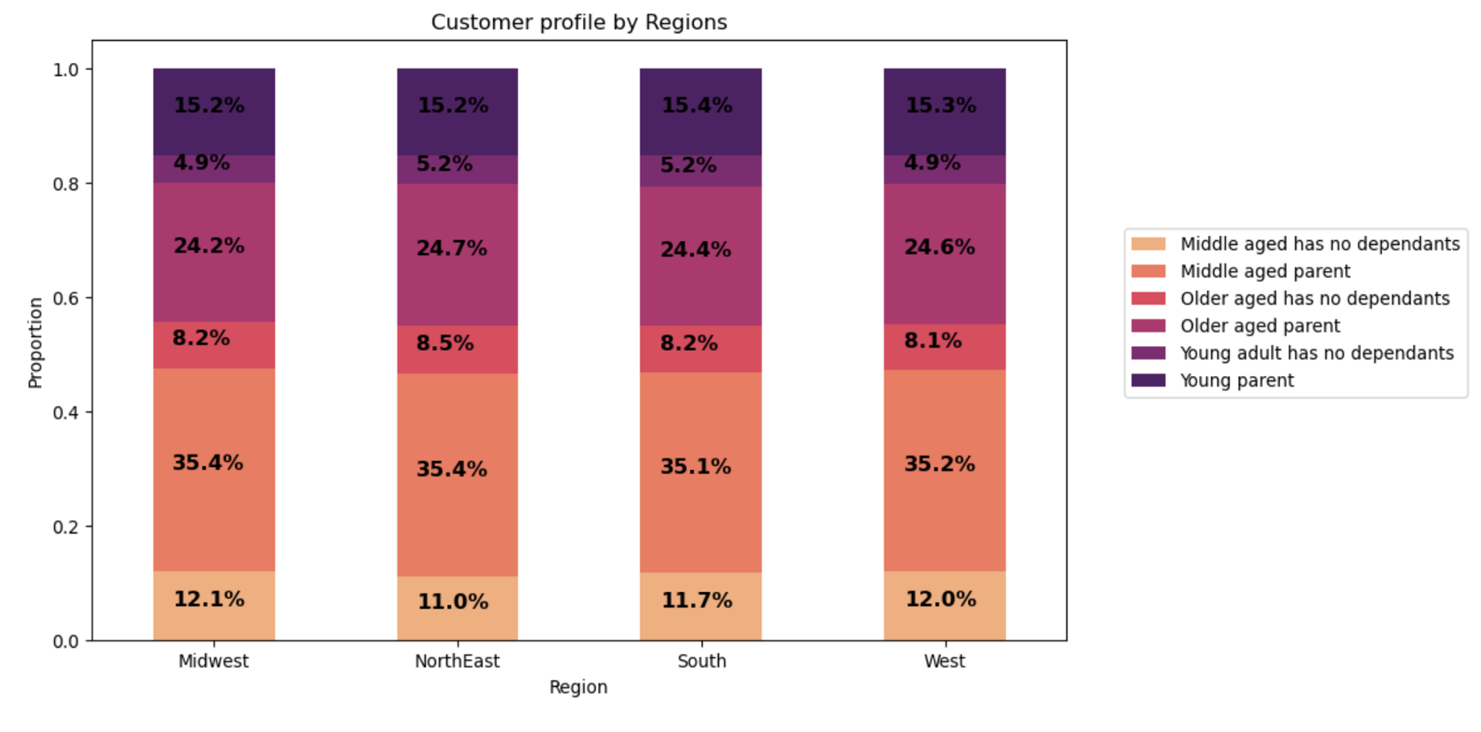 |  |  | 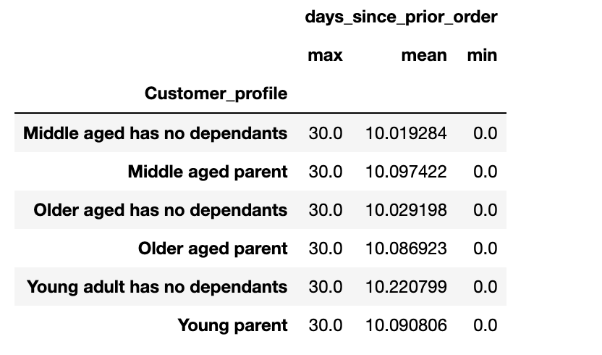 |  |  | 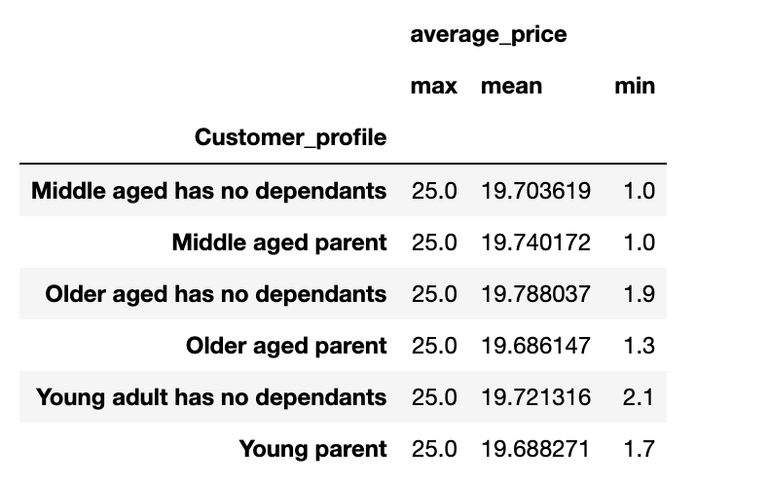

7. Recommendations
 |  | Title page

Recommendations

Key Question 1 | For Key Question 1: Ads should be scheduled in the morning around 10am and after 3 pm
Key Question 2 | For Key Question 2: Sales team could consider advertising breakfast stuff in the early morning, and snacks at afternoon hours and dinner stuff and drinks, movie snacks or desserts towards evening.
Key Question 3 | No recommendation needed

Key Question 4 | For Key Question 4: Marketing and Sales team should advertise all departments except produce and dairy. They could promote some sales or saving deals to increase orders in other departments

Key Question 5 | For Key Question 5: In order to turn regular customers to order more frequently and become loyal customers, Marketing Team could come up with some kind of rewards program.

Key Question 6 | For Key Question 6: Marketing and Sales team could come up with some program for loyalty where customers could earn points and use them for some gift or discount on their next orders. More points = more discount. This could raise frequency of orders by regular customers and make them loyal too.
Key Question 7 | For Key Question 7: Based on analysis, Marketing team should target NE region to increase customers amount, they could advertise more or come up with 'lottery' to draw attention and interest of potential customers. Prices in South region seem higher than other regions, which could stay the same since there 33% of customers in that region, or prices could change to be competetive in the region.

Key Question 8 | For key Question 8: Target young adults to use InstaCart Basket by advertising it on the social media. Sales and games could also draw attention and get custiomers start using Instacart. Since there are 70% of married customers InstaCart can have a day or 'special hour' when they get some special discount.

Key Question 9 | For key question 9: Since all charts show that middle aged customers (with dependants) are frequent and loyal customers Marketing and Sales team should consider keeping them targeted by offering deals. They could come up with packages that include snacks, ice cream and pops for movie nights with children or alcoholic beverages and cheese (dairy department) for date nights to keep customers loyal and also increase sales in all departments.

Key Question 10 | After comparing sales by departments among 2 groups (has dependants and has no dependants) we could recommend advertising meat/seafood, breakfast and canned goods departments among parents. Pets and bulk orders are very low, which should be advertised more often. For bulk orders InstaCart could offer buy 1, get 1 50% off deals. Baby and personal care could be bundled together and offered as a deal to parents. Meat/seafood and dry goods pasta could be offered to people with no dependants as bundles as well. InstaCart Marketing and Sales teams could keep the existing method with little changes as recommended above.

